ATLAS_IF_DOC
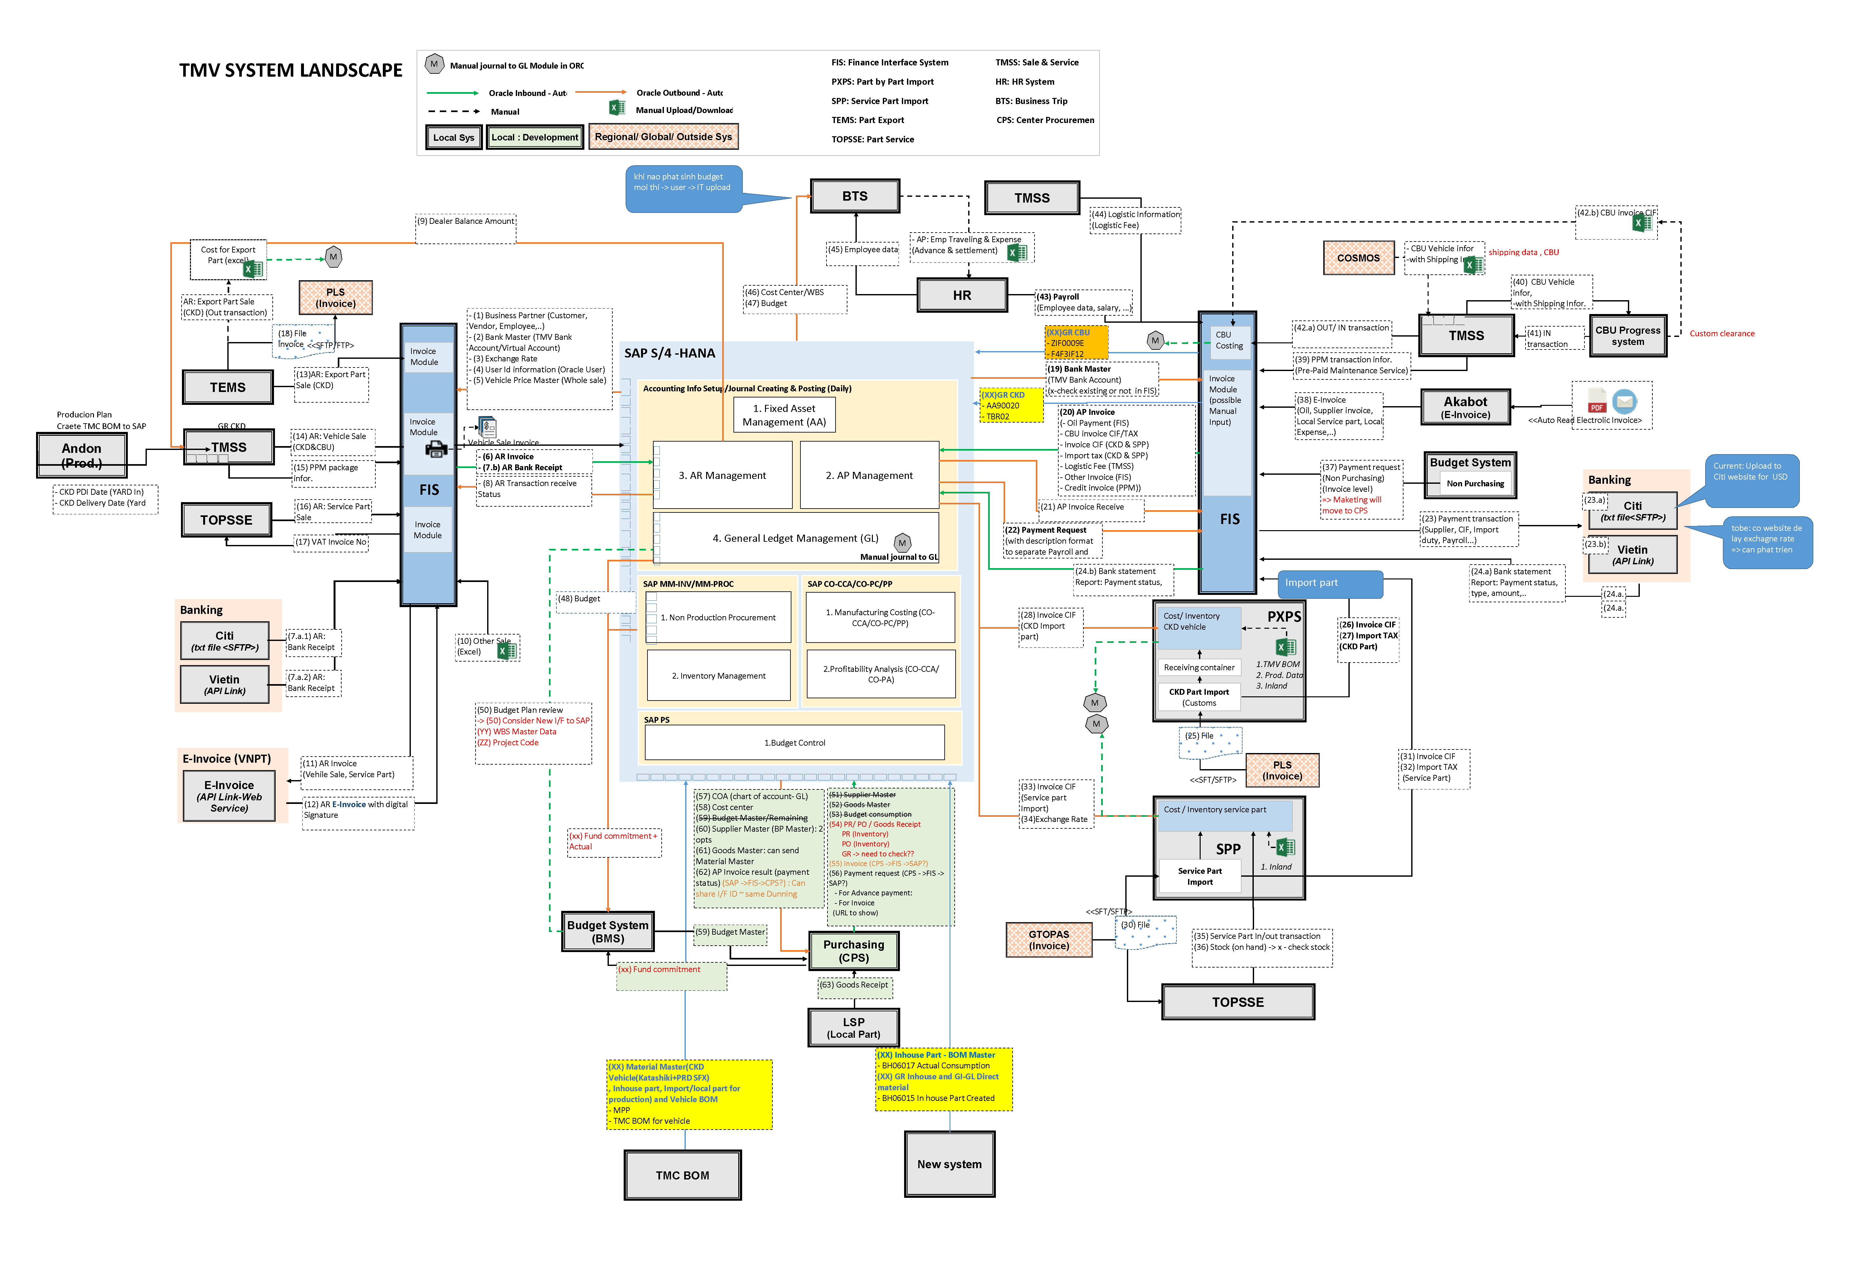
Link | https://toyotavn.sharepoint.com/:p:/r/sites/IT-SAP-Dev/_layouts/15/doc2.aspx?action=edit&sourcedoc=%7B0feef805-fd91-42f7-84f5-57a3dcff0df5%7D&wdOrigin=TEAMS-ELECTRON.teamsSdk.openFilePreview&wdExp=TEAMS-CONTROL&web=1

TDEM_AB_DOC
